Costs
 | The First Three Years: Costs Proof-of-Work on Ethereum, Payments to Miners & CO2 Emissions
 | 2015 |  |  |  |  | 2016 |  |  |  |  |  |  |  |  |  |  |  | 2017 |  |  |  |  |  |  |  |  |  |  |  | 2018
 | August | September | October | November | December | January | February | March | April | May | June | July | August | September | October | November | December | January | February | March | April | May | June | July | August | September | October | November | December | January | February | March | April | May | June | July | August | September

Total ETH Supply | 72,910,600 | 73,668,238 | 74,486,542 | 75,305,749 | 76,140,218 | 76,968,242 | 77,734,464 | 78,639,527 | 79,586,509 | 80,575,141 | 81,541,688 | 82,534,888 | 83,530,738 | 84,501,706 | 85,521,204 | 86,481,730 | 87,462,107 | 88,440,875 | 89,322,199 | 90,289,403 | 91,199,299 | 92,100,986 | 92,923,944 | 93,699,514 | 94,357,118 | 94,894,657 | 95,445,491 | 96,055,954 | 96,692,242 | 97,333,230 | 97,905,412 | 98,538,108 | 99,151,171 | 99,789,953 | 100,407,168 | 101,042,605

New ETH mined | 861,293 | 757,638 | 818,304 | 819,207 | 834,468 | 828,025 | 766,222 | 905,063 | 946,982 | 988,632 | 966,547 | 993,200 | 995,851 | 970,968 | 1,019,498 | 960,526 | 980,377 | 978,768 | 881,323 | 967,205 | 909,896 | 901,686 | 822,958 | 775,570 | 657,605 | 537,539 | 550,834 | 610,463 | 636,288 | 640,988 | 572,182 | 632,696 | 613,064 | 638,781 | 617,215 | 635,438

Price ETH / $ | $1.38 | $1.01 | $0.66 | $0.93 | $0.88 | $1.45 | $4.41 | $11.04 | $9.03 | $11.21 | $14.40 | $11.89 | $11.12 | $12.42 | $12.15 | $10.06 | $7.86 | $10.12 | $12.19 | $33.75 | $49.39 | $120.84 | $311.47 | $227.23 | $295.89 | $295.87 | $306.16 | $353.37 | $630.58 | $1,093.10 | $882.53 | $640.79 | $512.15 | $682.05 | $524.59 | $464.05

Paid to Miners (month) | $1,189,212 | $765,509 | $536,416 | $764,459 | $738,045 | $1,200,197 | $3,380,887 | $9,994,815 | $8,555,036 | $11,078,740 | $13,915,375 | $11,811,707 | $11,076,429 | $12,060,064 | $12,388,222 | $9,658,730 | $7,701,334 | $9,902,292 | $10,747,110 | $32,638,795 | $44,937,334 | $108,960,930 | $256,329,187 | $176,235,023 | $194,580,984 | $159,043,070 | $168,644,514 | $215,718,821 | $401,233,155 | $700,663,539 | $504,966,499 | $405,423,473 | $313,979,450 | $435,678,428 | $323,786,068 | $294,873,337

Likely CO2 emitted / ton | 63,682 | 40,993 | 28,725 | 40,937 | 39,522 | 64,271 | 181,046 | 535,222 | 458,122 | 593,267 | 745,168 | 632,517 | 593,143 | 645,816 | 663,389 | 517,225 | 412,406 | 530,268 | 575,508 | 1,747,807 | 2,406,394 | 5,834,858 | 13,726,428 | 9,437,385 | 10,419,812 | 8,516,756 | 9,030,914 | 11,551,743 | 21,486,035 | 37,520,533 | 27,040,956 | 21,710,427 | 16,813,600 | 23,330,580 | 17,338,744 | 15,790,467

Grand Total Paid to Miners | $1,189,212 | $1,954,721 | $2,491,137 | $3,255,595 | $3,993,640 | $5,193,837 | $8,574,724 | $18,569,539 | $27,124,574 | $38,203,314 | $52,118,690 | $63,930,397 | $75,006,826 | $87,066,889 | $99,455,111 | $109,113,841 | $116,815,175 | $126,717,467 | $137,464,576 | $170,103,372 | $215,040,706 | $324,001,636 | $580,330,823 | $756,565,846 | $951,146,830 | $1,110,189,900 | $1,278,834,414 | $1,494,553,235 | $1,895,786,391 | $2,596,449,930 | $3,101,416,429 | $3,506,839,902 | $3,820,819,352 | $4,256,497,780 | $4,580,283,847 | $4,875,157,184

Grand Total CO2 / ton | 63,682 | 104,675 | 133,400 | 174,337 | 213,859 | 278,130 | 459,176 | 994,399 | 1,452,521 | 2,045,787 | 2,790,956 | 3,423,473 | 4,016,616 | 4,662,432 | 5,325,821 | 5,843,046 | 6,255,453 | 6,785,720 | 7,361,228 | 9,109,036 | 11,515,430 | 17,350,288 | 31,076,716 | 40,514,101 | 50,933,913 | 59,450,669 | 68,481,583 | 80,033,326 | 101,519,361 | 139,039,894 | 166,080,850 | 187,791,277 | 204,604,876 | 227,935,456 | 245,274,200 | 261,064,667

Avg. underlying cost per TX to July 2018 (PoW subsidy -- NOT incl. gas cost) | $16.80 |  | Avg. TX per second to July 2018 |  | 3.11

Grand Total $ paid to miners to 7/2018 | $4,875,157,184

Grand Total TONS of CO2 to 7/2018 | 261,064,667 |  | 15,908,877 | USA citizens cause equivalent CO2 emissions in 1 year... |  |  |  | 153,567,451 | Indian citizens cause equivalent CO2 emissions in 1 year
 |  |  |  | https://data.worldbank.org/indicator/EN.ATM.CO2E.PC?locations=US |  |  |  |  | https://data.worldbank.org/indicator/EN.ATM.CO2E.PC?locations=IN

What Proof of Work Mining Looks Like At Scale (pics taken of Bitcoin mines in Spring 2015)...
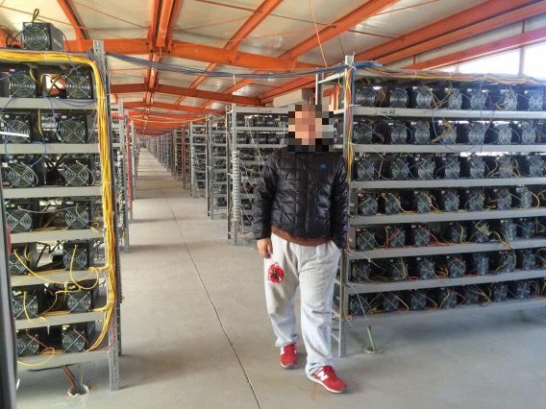

 |  | Smoke from coal-fired -->
 |  | power station next door
 |  | - this is the best way to
 |  | outcompete other miners
 |  | to win the fixed block
 |  | rewards at the lowest
 |  | cost / be profitable

